Sheet1
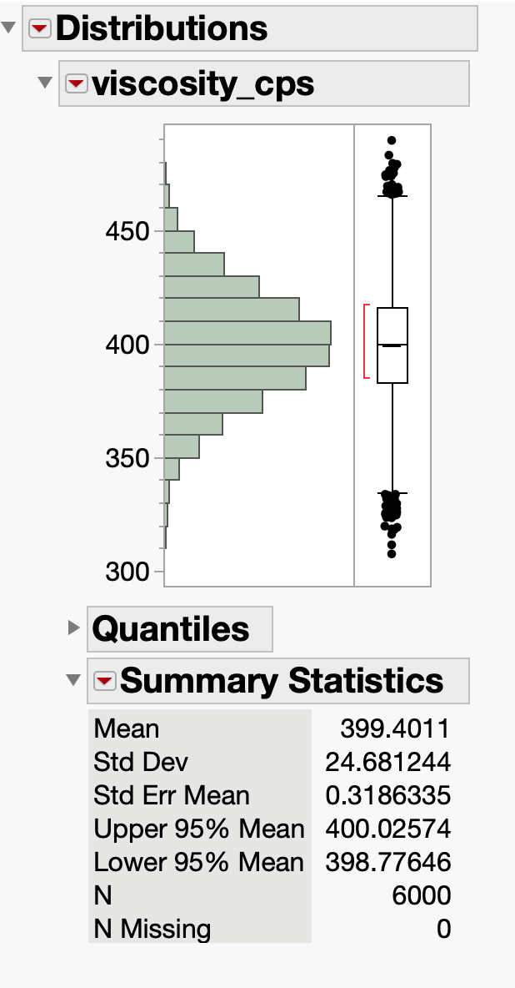
dof | sd/mean | (sd/mean)^2
batch | 0.02 | 0.0004
within batch | 0.03 | 0.0009
lab | 0.05 | 0.0025

 |  | 0.0038 | Sum
 |  | 0.06164414003 | Square Root(Sum)

 | Net, expect combined variabilities to be 6.16% of mean

 | JMP Std Devn with 1000 batches (1000-3-2 sampling)
std devn | 24.68 | cps
xbarbar | 400 | cps
ratio | 0.0617

 | Large simulation closely matches theory based on sums of dof sigmas squared

